Example
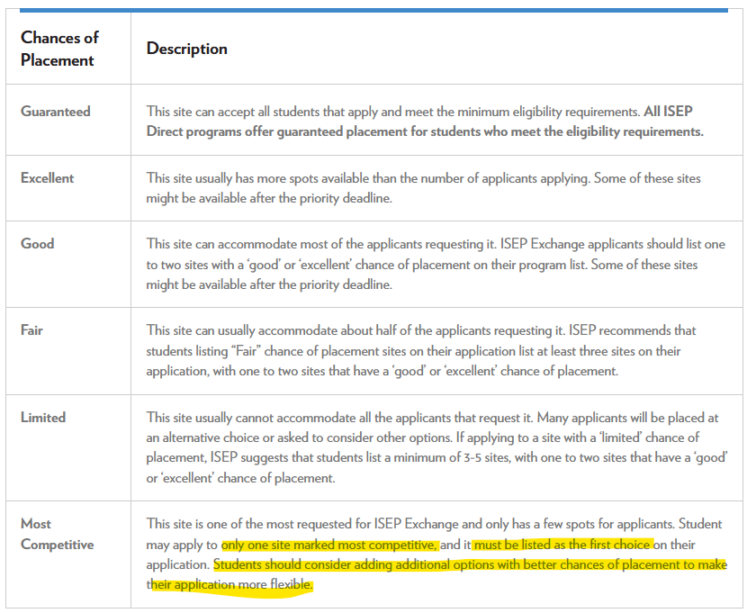
ISEP Exchange

Rank | Program Name | Location | Host University | Chance of Placement | Term | Dates | Housing | Relevant Areas of Study | Notes
1 | Study in Germany (in German, English) - ISEP Exchange | Dortmund, Germany | Technische Universität Dortmund | Most Competitive | Spring 2026 | March 2026 - July 2026 | Single-room dorms | Language and Culture, Liberal Arts and Sciences, History | *Must be ranked first because it is a "most competitive" program
2 | Study in Austria (in German, English) - ISEP Exchange | Graz, Austria | Karl-Franzens Universitat Graz | Limited | Spring 2026 | March 2026 - July 2026 | Apartment-style dorms | Law/Criminal Justice, Political Science and Government
3
4
5
6
7
8
9
10

Note:
ISEP Exchange allows you to swap spots with a student from another ISEP Exchange institution as an international student. By studying abroad on ISEP Exchange, you pay your tuition and fees to your home institution and open up a spot for someone to come learn at your university. Choose up to 10 universities and ISEP will place you at the best option depending on exchange space and your academic needs.
If you choose to apply for a spot at an ISEP Exchange site with limited chances of placement during Semester 1 or for any Full Year Program (beginning in July, August, September or October) you must apply before March 1 to be eligible. The same thing applies for students wishing to apply to Semester 2 or Calendar Year Programs (beginning in January, February or March), you must apply by September 15.
Visit this site (https://www.isepstudyabroad.org/planning/how-to-apply/chances-of-placement) for more information regarding the placement process and chances of placement.

